Conclusion
CONCLUSION

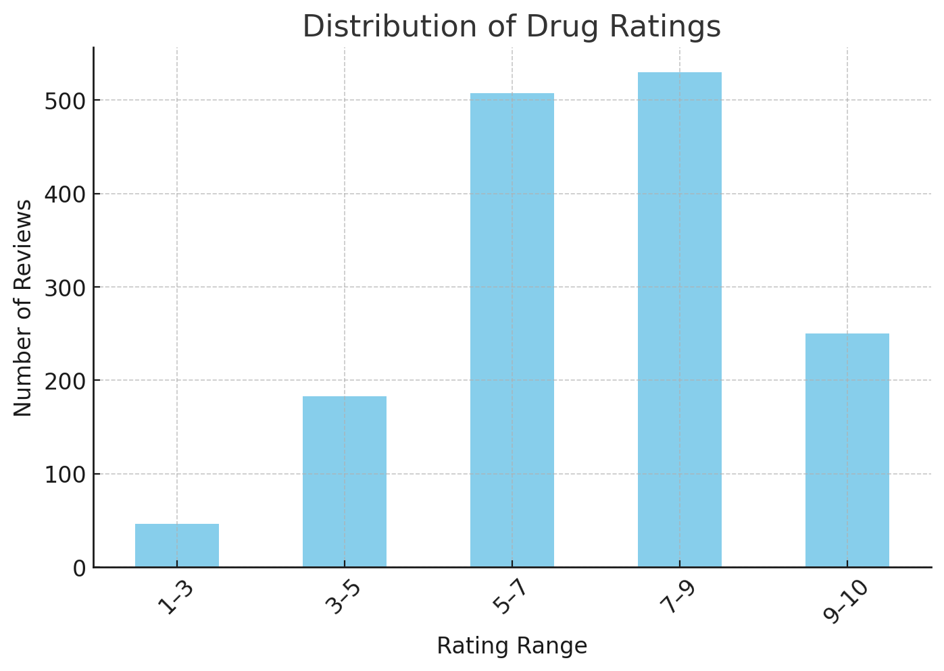

Distribution of Drug Ratings:
The majority of drug ratings fall between 7–10, indicating generally high user satisfaction. Ratings in the 9–10 range are particularly dense, suggesting that users tend to rate drugs positively when they are effective. There is a noticeable drop in lower rating buckets, which may reflect a combination of drug effectiveness, user perception bias, and self-selection (users who rate often have strong opinions).

Top Drugs for Most Reviewed Conditions:
For the three most common conditions: Hypertension, Acne, and Pain; we observe clear leaders in terms of review volume.
In Hypertension, drugs like Losartan and Amlodipine dominate user feedback.
For Acne, Doxycycline and Accutane gather substantial attention, likely due to their long history and effectiveness.
In Pain management, Tramadol and Ibuprofen lead the way, reflecting both accessibility and widespread use. This data highlights patient preference, brand familiarity, and clinical relevance across conditions.

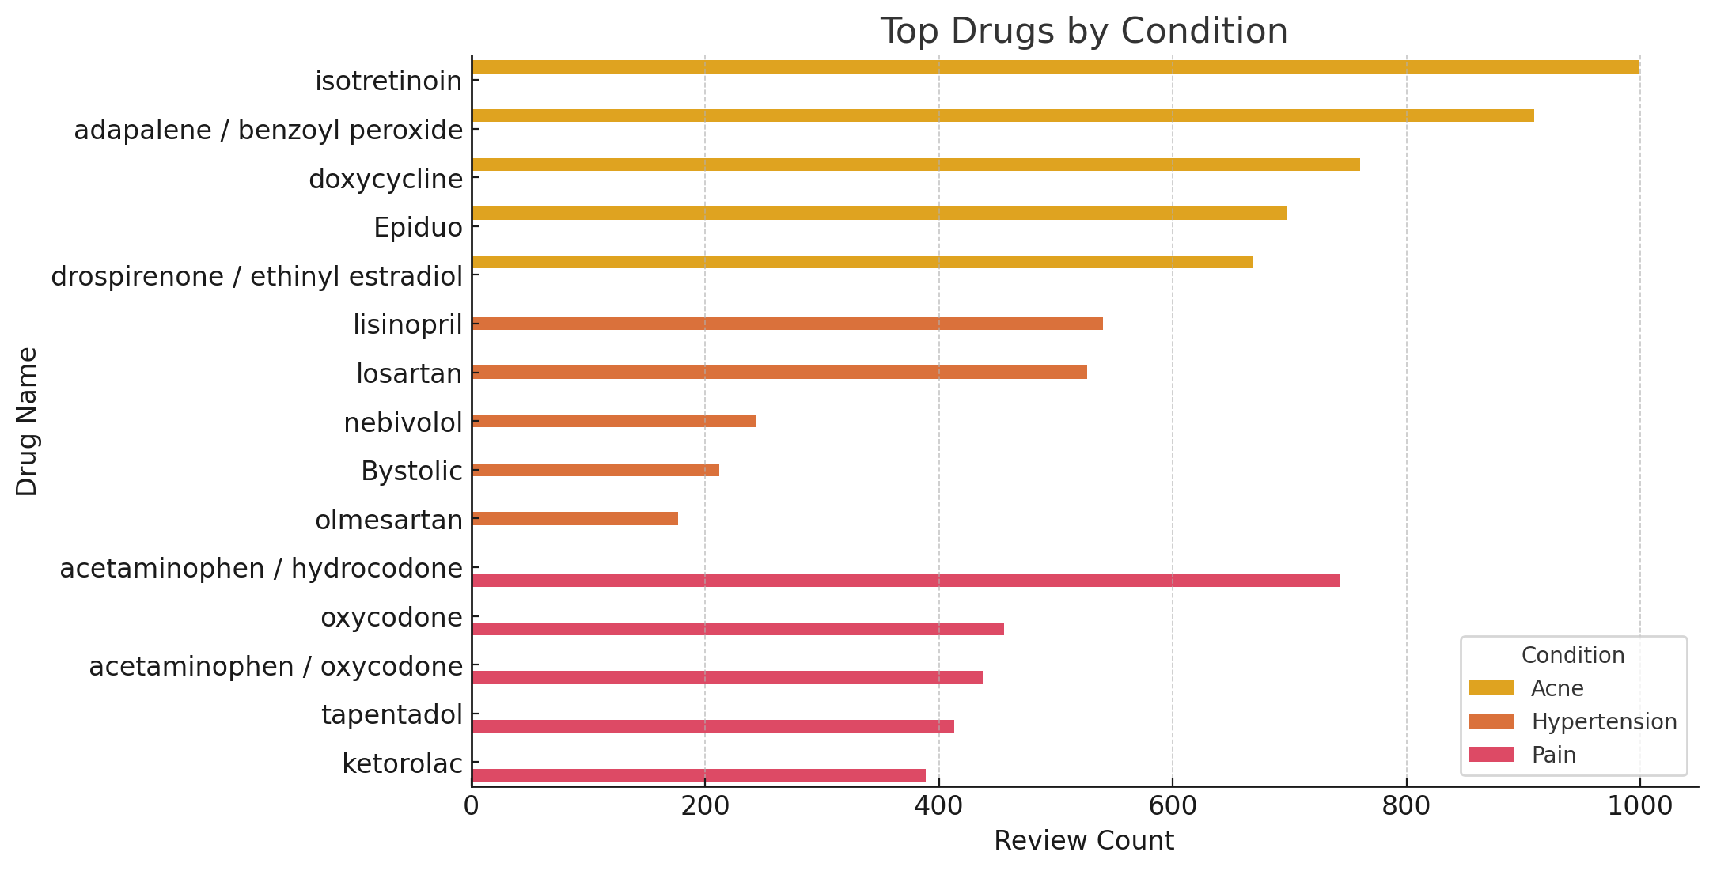

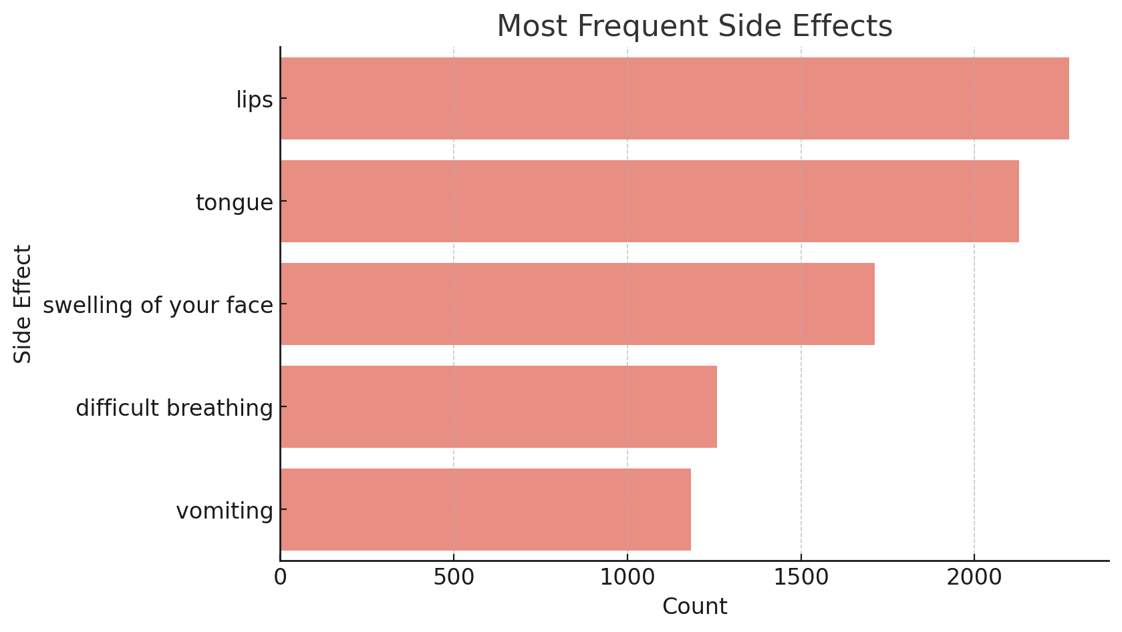
Distribution of Ratings by Condition:
Pain-related medications exhibit a wider spread in user ratings, suggesting variability in how well individual patients respond.
Acne treatments show a tight clustering of mid-to-high ratings, likely due to longer treatment durations and visible outcomes.
Hypertension drugs have relatively consistent high ratings, which could reflect stable long-term use and fewer perceived side effects.
This chart underscores how treatment context influences patient satisfaction and perceived effectiveness.

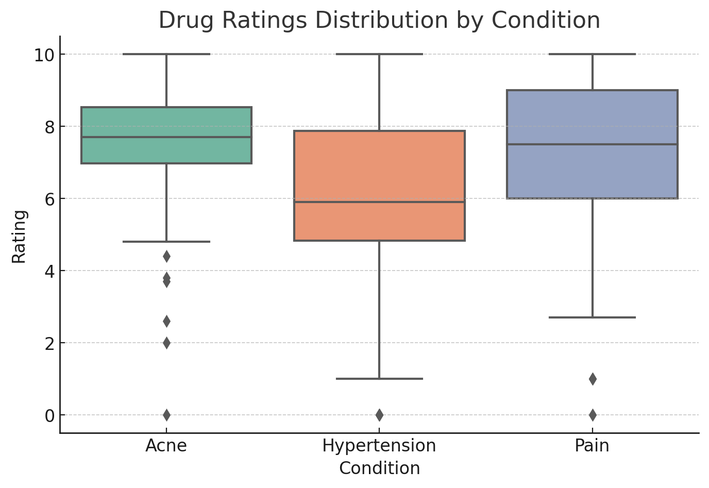

Most Common Side Effects:
The top-reported side effects include nausea, headache, dizziness, drowsiness, and dry mouth. These are fairly common across a broad range of medications, suggesting they are not condition-specific but rather typical physiological responses. Knowing this helps patients and prescribers anticipate and manage expectations around treatment tolerability.

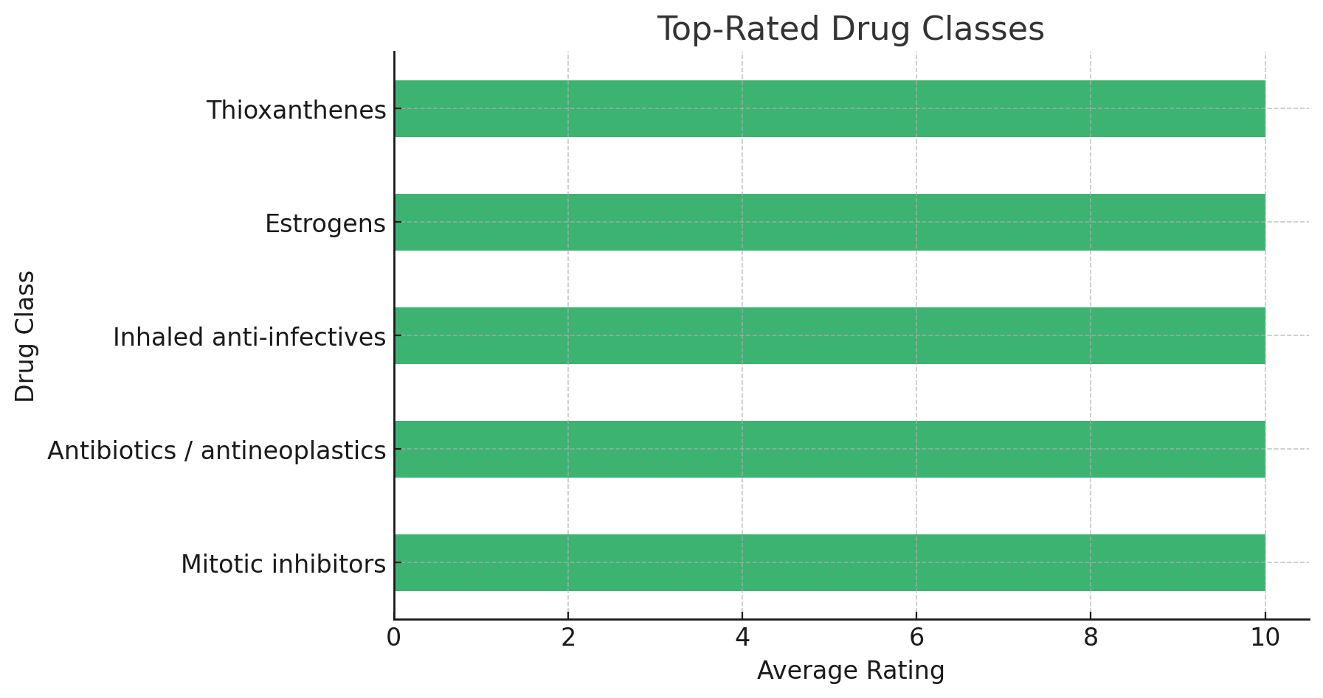

Top Drug Classes by Average Rating:
Drug classes such as Nonsteroidal Anti-Inflammatory Drugs (NSAIDs) and ACE Inhibitors appear in the top-rated categories. These classes are well-established, widely used, and often deliver noticeable symptom relief, likely explaining their high ratings. Interestingly, some less common or specialty classes also appear, possibly due to their targeted effectiveness or fewer side effects in specific populations.

Click the icon to open the Python script used to generate all visualizations in this report. This includes data cleaning, chart creation, and Excel export logic.

